Sheet1
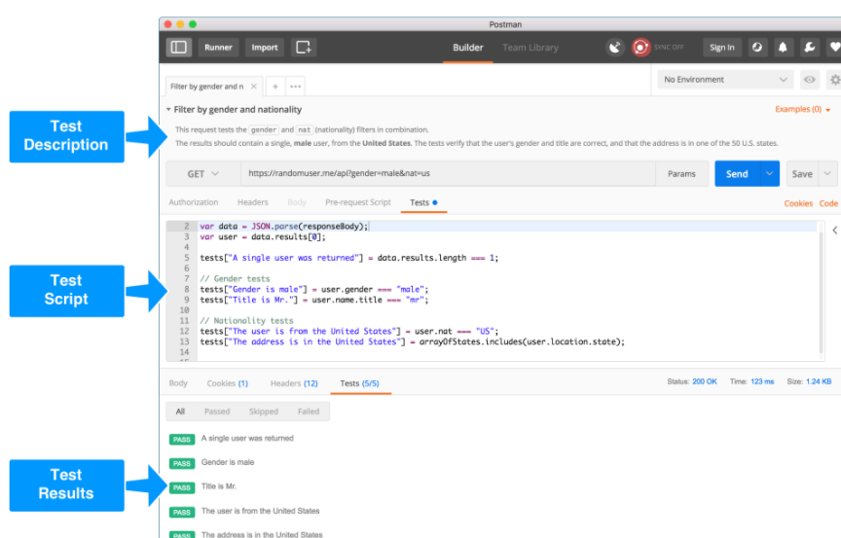
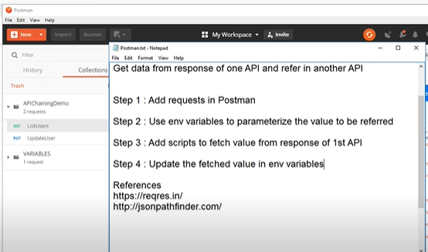
Json scripts to fetch value from response

How to Parse XML Response in Postman (originl req in xml and response come in xml then it converted into json.
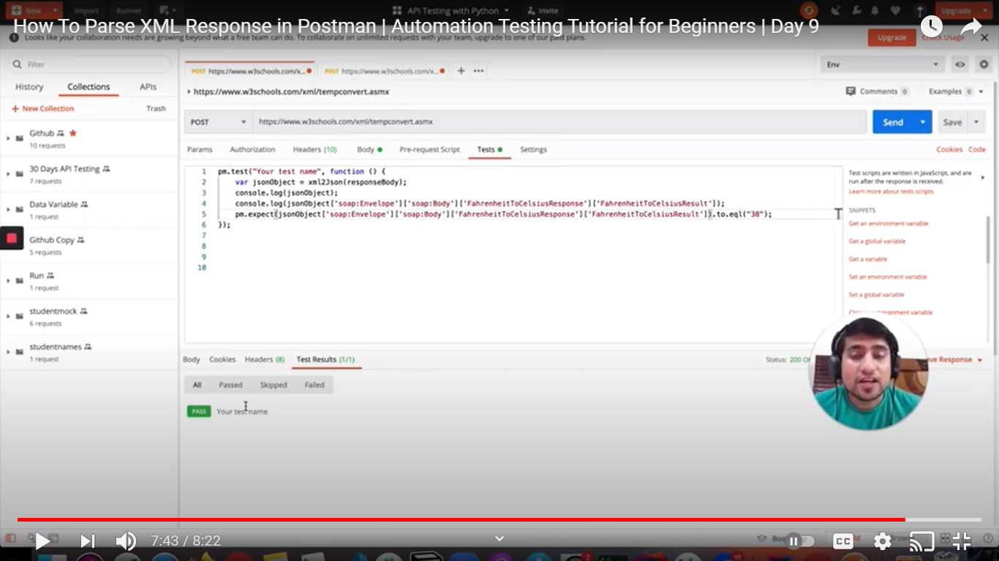

Bonus Tip: The description fields that you’d normally use for your API documentation can be repurposed as test descriptions. It’s a great way to document your tests, so developers and testers know what’s being tested, what the expected output is, etc

